Cover Page
Supplementary Financial Information
Fourth Quarter 2008

Supplementary Financial Information
Third Quarter 2022
Q3

BCE Investor Relations
Thane Fotopoulos
514-870-4619
thane.fotopoulos@bell.ca

Accomp Notes p17
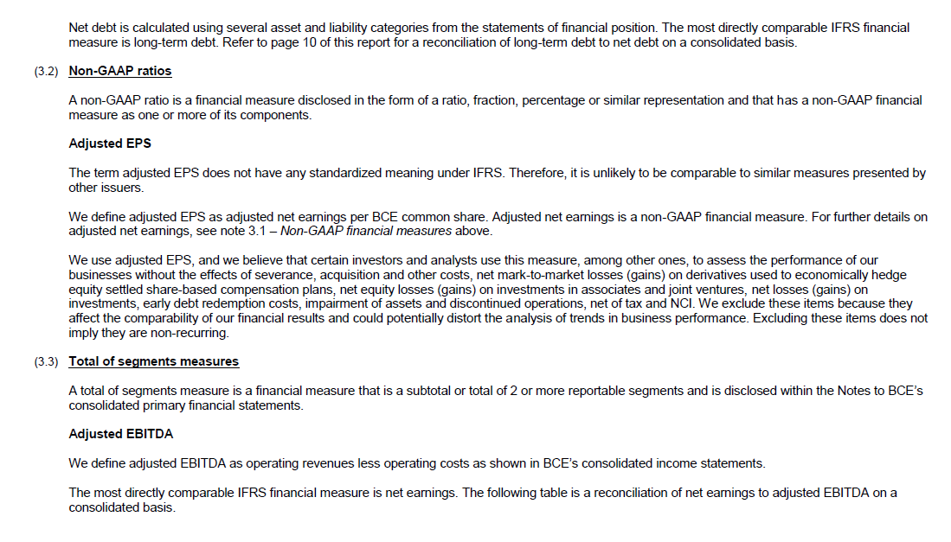

Accomp Notes p18
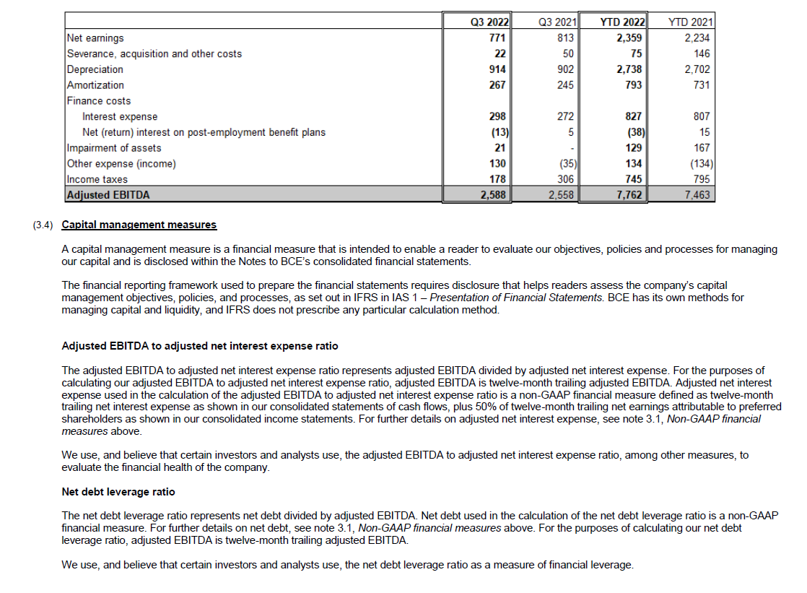

Accomp Notes p19
