Cover Page
Supplementary Financial Information
Fourth Quarter 2008

Supplementary Financial Information
First Quarter 2022
Q1

BCE Investor Relations
Thane Fotopoulos
514-870-4619
thane.fotopoulos@bell.ca

Accomp Notes p14
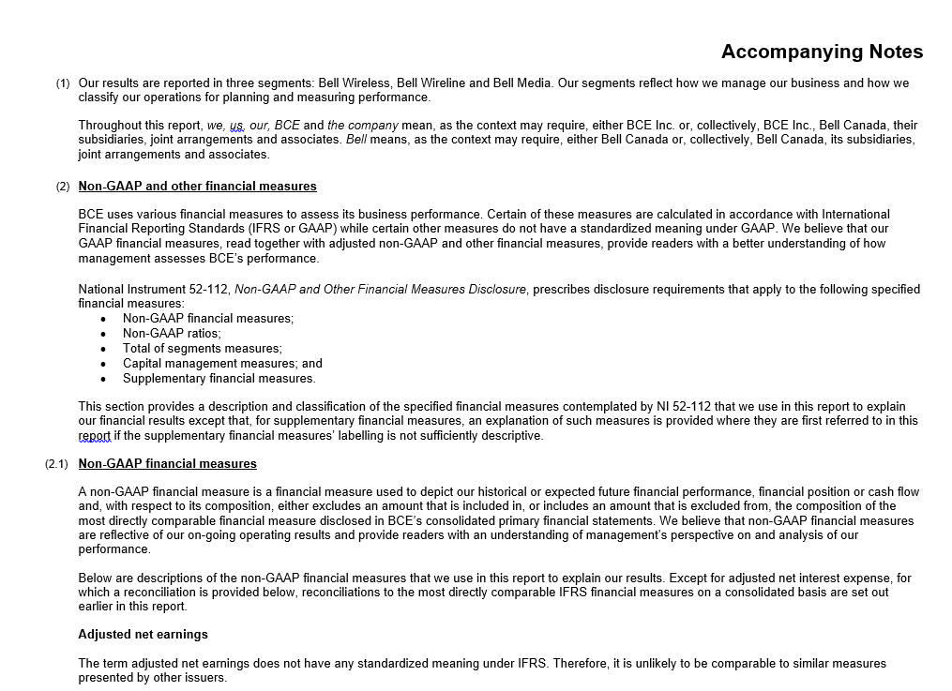

Accomp Notes p15
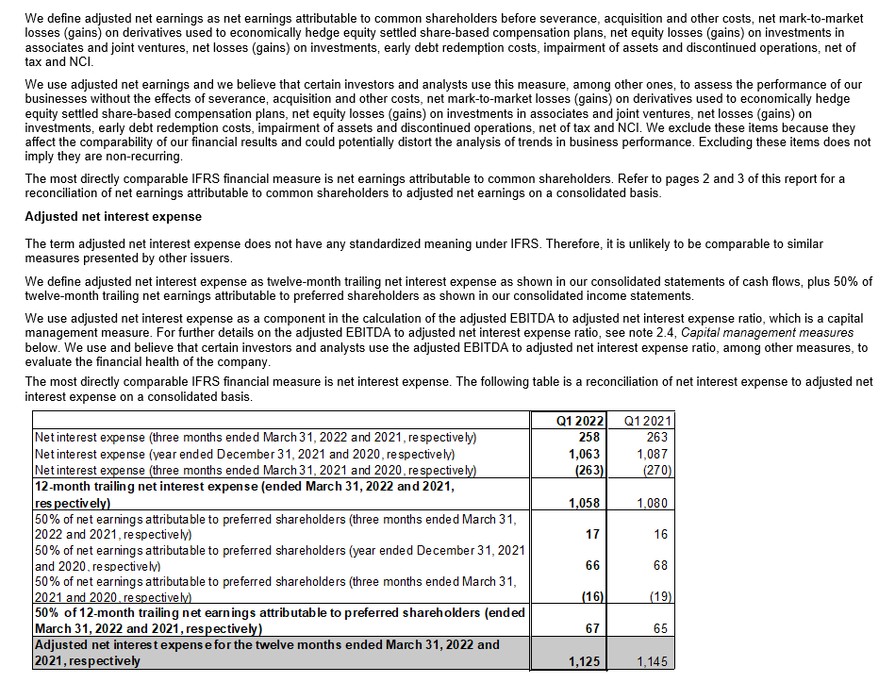

Accomp Notes p16
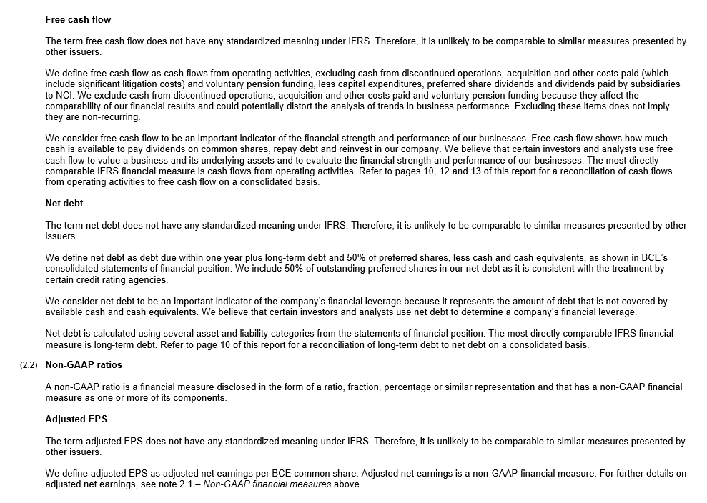

Accomp Notes p17
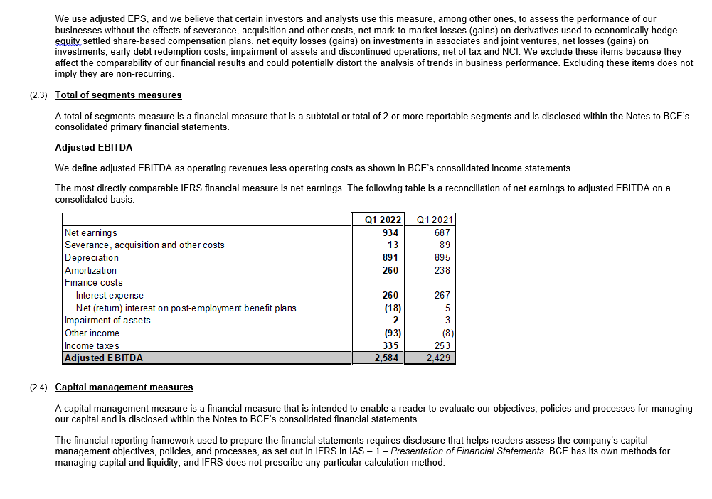

Accomp Notes p18
