Cover Page
Supplementary Financial Information
Fourth Quarter 2008

Supplementary Financial Information
Third Quarter 2025
Q3

BCE Investor Relations
Richard Bengian
514-786-8219
richard.bengian@bell.ca

Accomp Notes p16
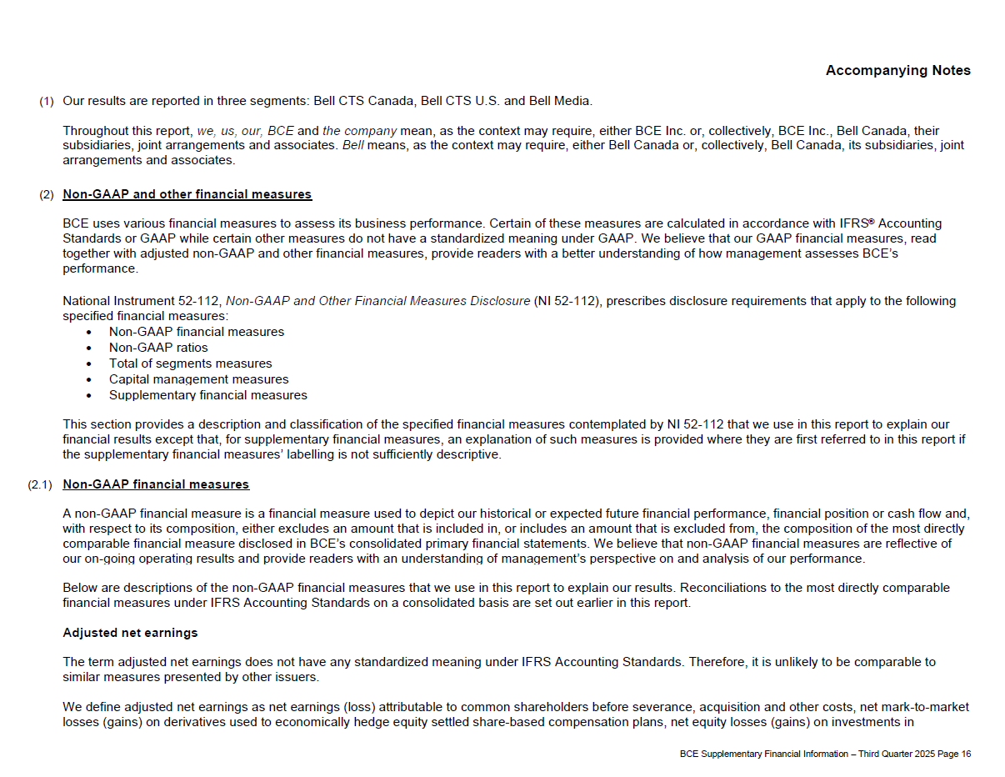

Accomp Notes p17
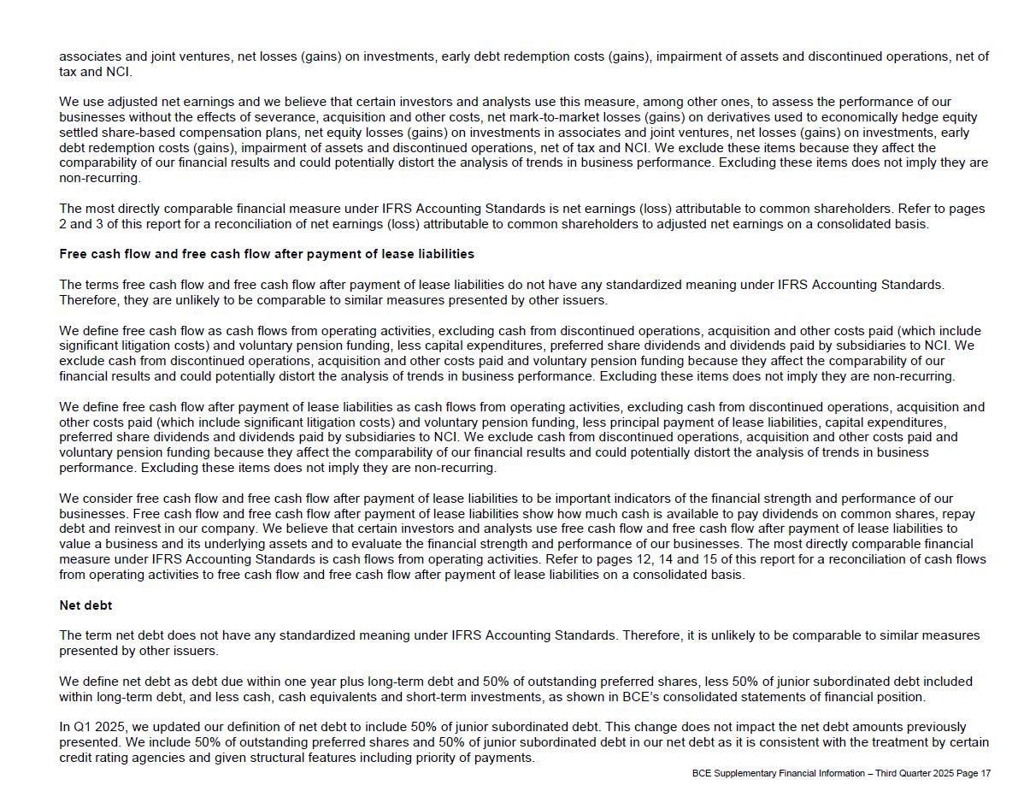

Accomp Notes p18
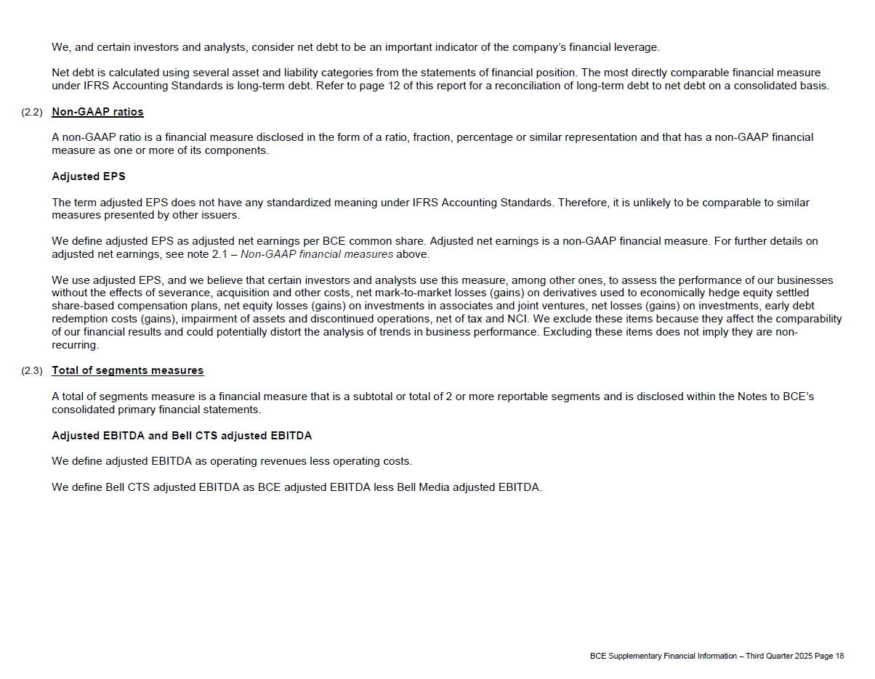

Accomp Notes p19
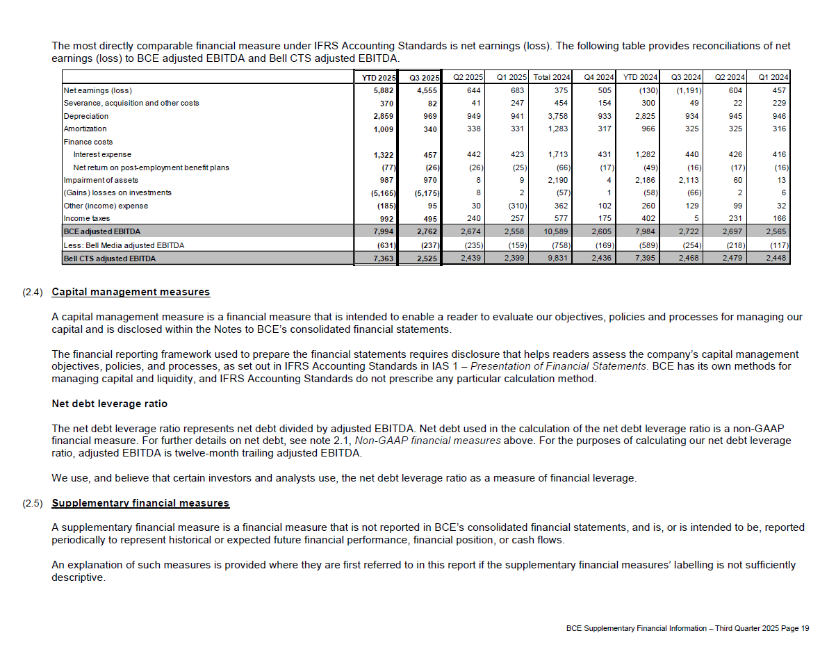

Accomp Notes p20
