Cover Page
Supplementary Financial Information
Fourth Quarter 2008

Supplementary Financial Information
Second Quarter 2026
Q2

BCE Investor Relations
Richard Bengian
514-786-8219
richard.bengian@bell.ca

Accompanying Notes p15
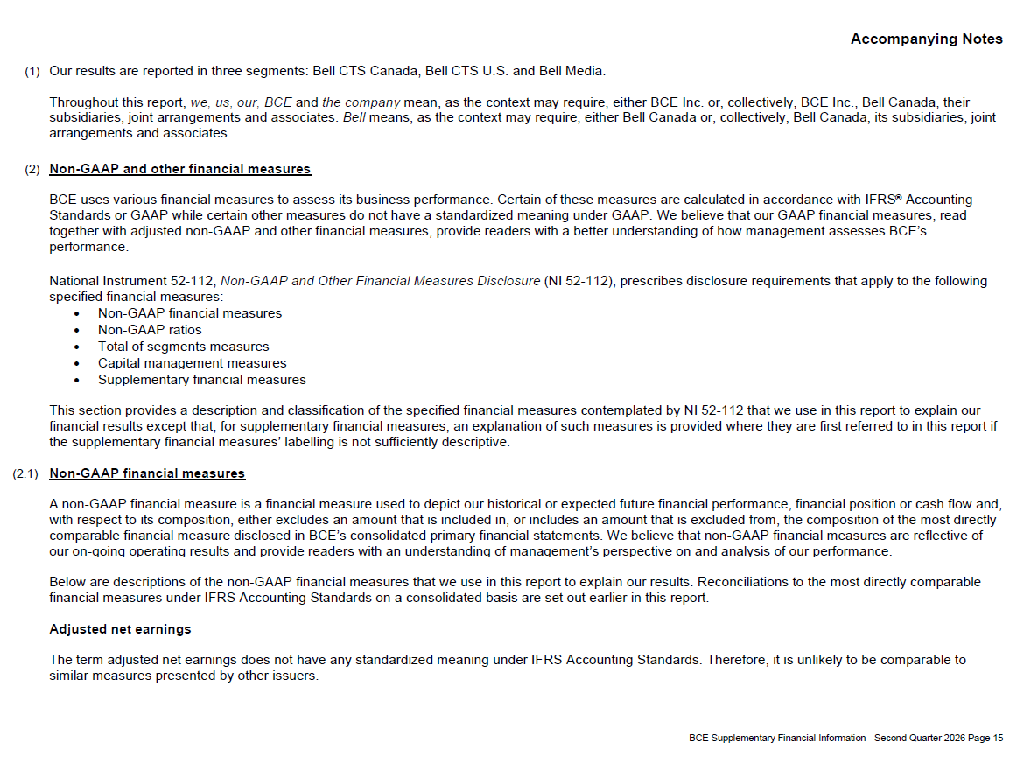

Accompanying Notes p16
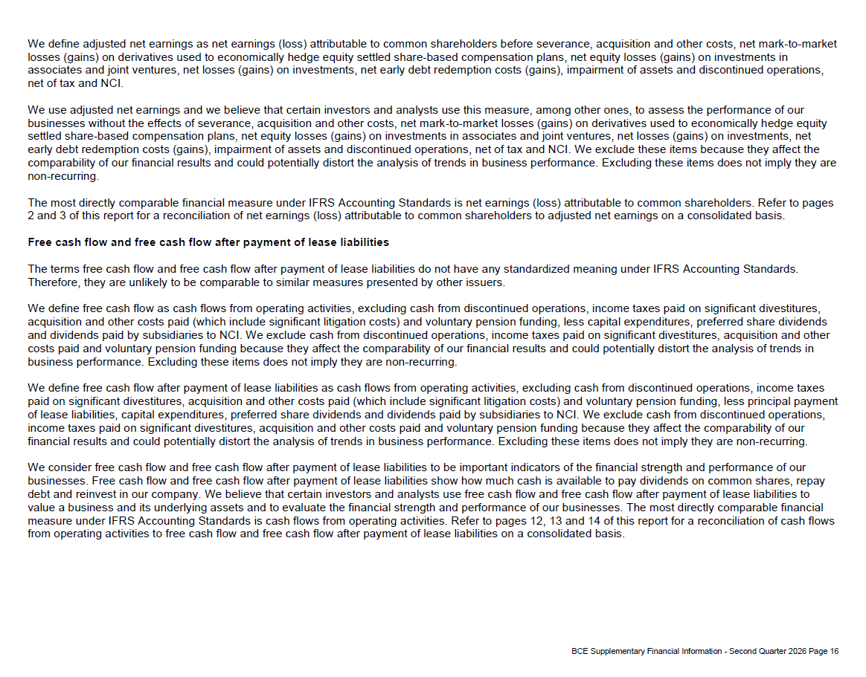

Accompanying Notes p17
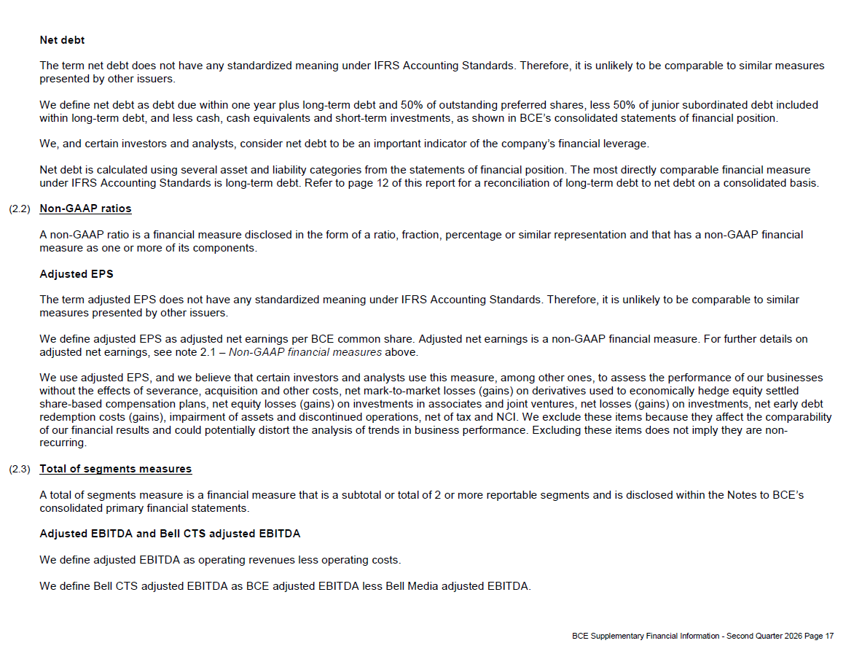

Accompanying Notes p18
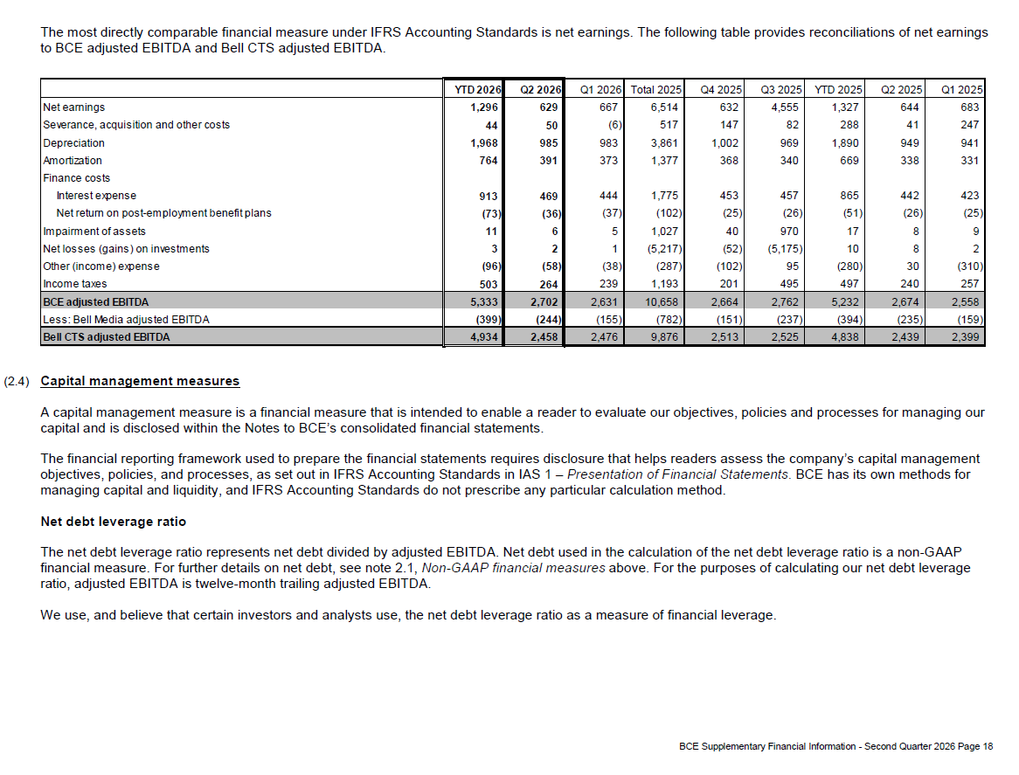

Accompanying Notes p19
