Cover Page
Supplementary Financial Information
Fourth Quarter 2008
Supplementary Financial Information
First Quarter 2026
Q1



BCE Investor Relations
Richard Bengian
514-786-8219
richard.bengian@bell.ca

Accompanying Notes - p15
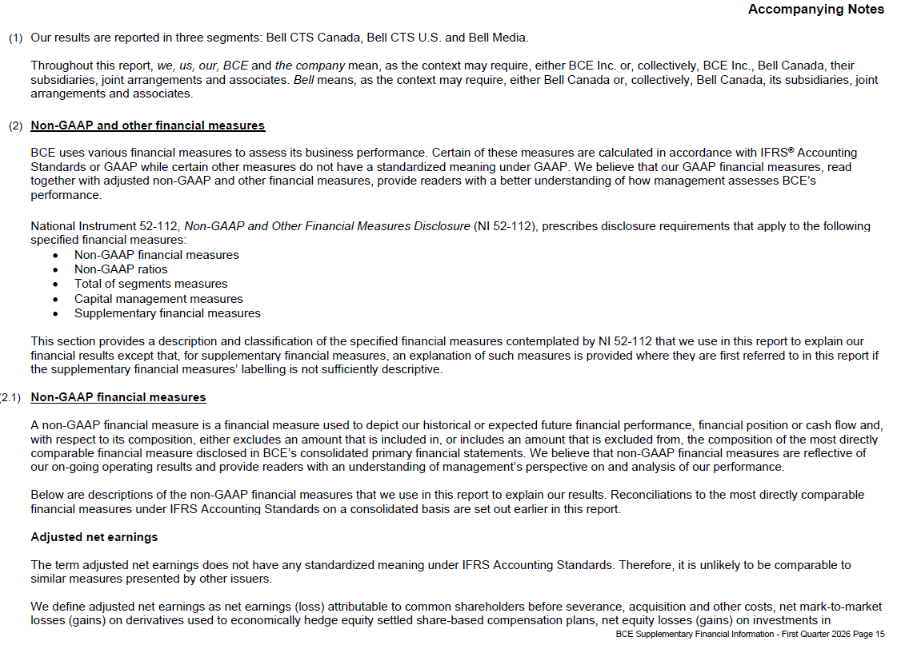

Accompanying Notes - p16
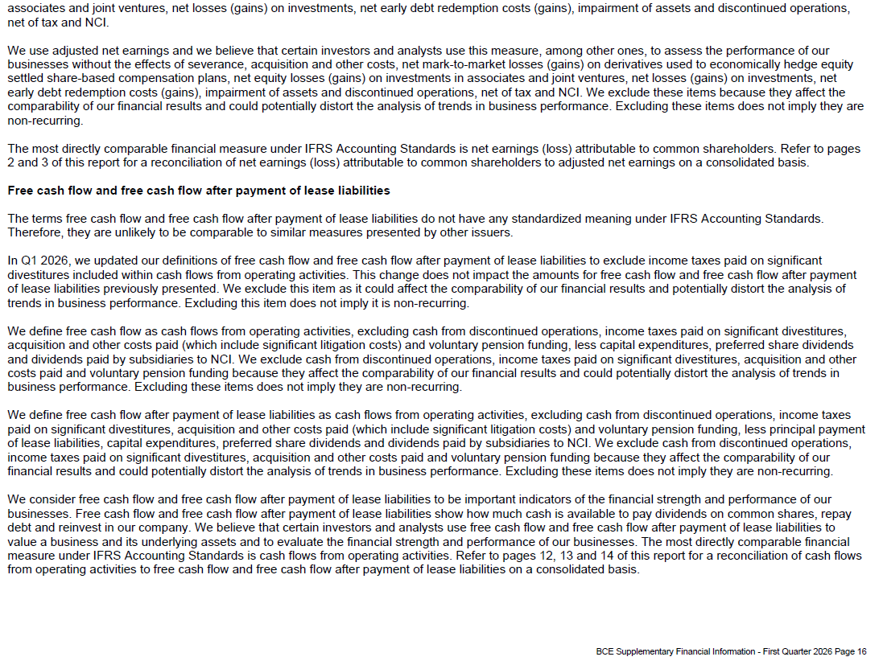

Accompanying Notes - p17
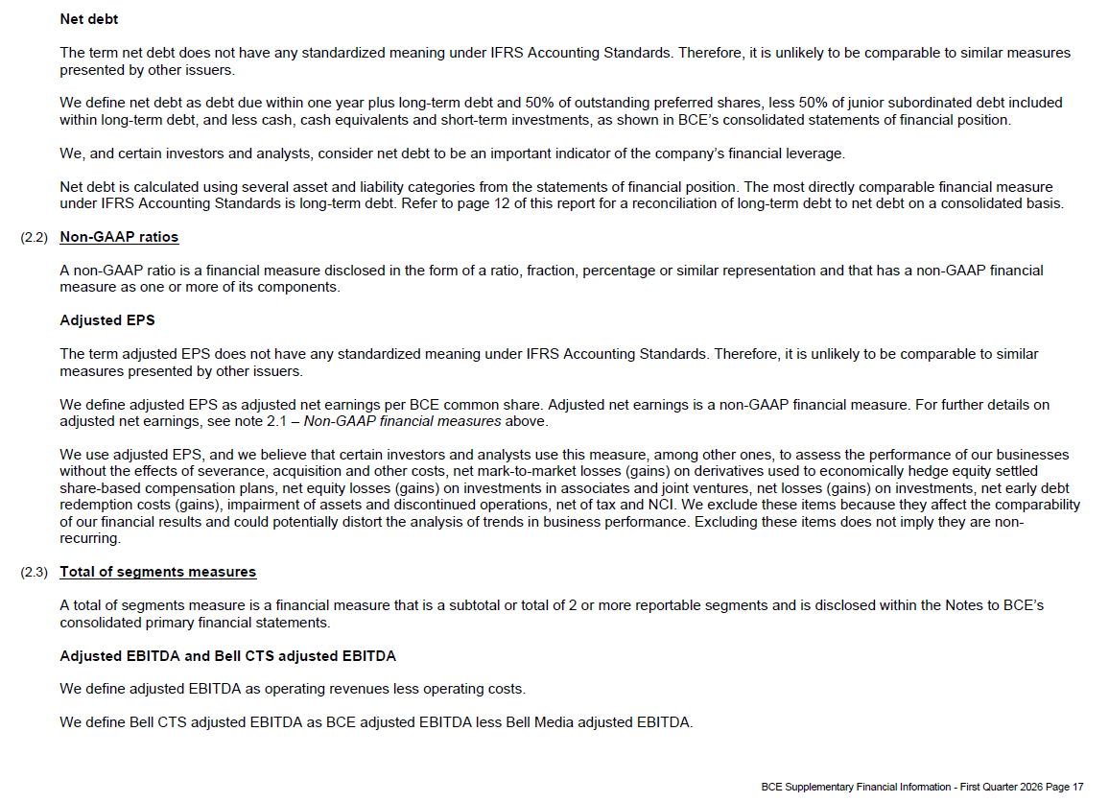

Accompanying Notes - p18
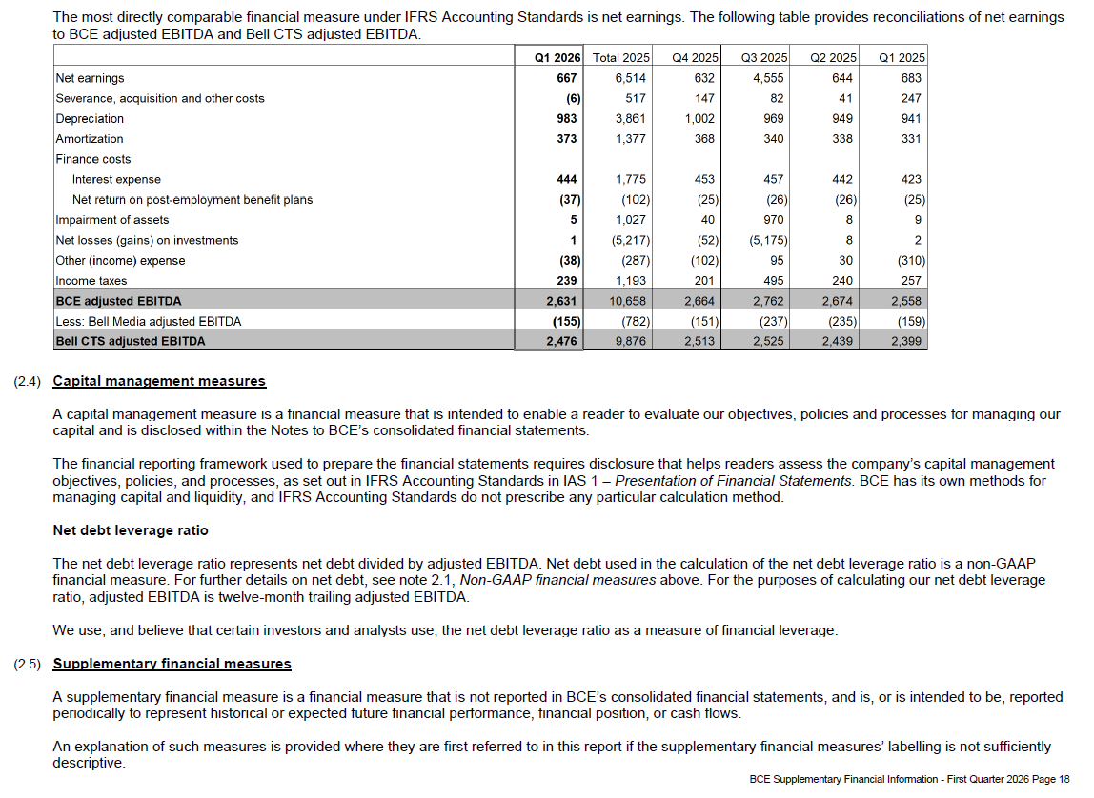

Accompanying Notes - p19
